Cover page
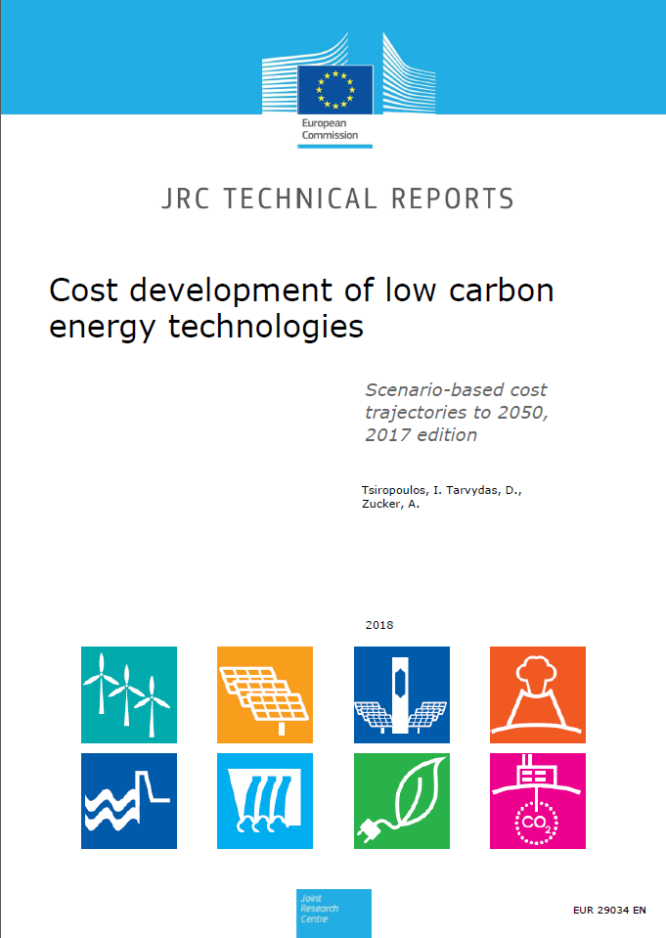

 | How to cite this data:
 | Tsiropoulos I, Tarvydas, D, Zucker, A, Cost development of low carbon energy technologies - Scenario-based cost trajectories to 2050, 2017 Edition, EUR 29034 EN, Publications Office of the European Union, Luxembourg, 2018, ISBN 978-92-79-77479-9, doi:10.2760/490059, JRC109894.

All images © European Union 2018

